merge
Statyshlar |  |  |  |  |  |  |  | Harytlar
satyshSenesi | satyjyID | harytID | naceHaryt | totalBahasy |  |  |  | harytID | harytAdy | ozBahasy | satyshBahasy | harytKategoryasy
2023-02-02 | 1 | 2 | 2 | 26 |  |  |  | 1 | futbol top | 5 | 7 | Sport
2023-02-02 | 1 | 1 | 3 | 21 |  |  |  | 2 | Tarelka | 10 | 13 | Kuhnya
2023-02-03 | 1 | 2 | 2 | 26 |  |  |  | 3 | Dell computer | 300 | 350 | Tehnologiya
2023-02-03 | 1 | 1 | 3 | 21
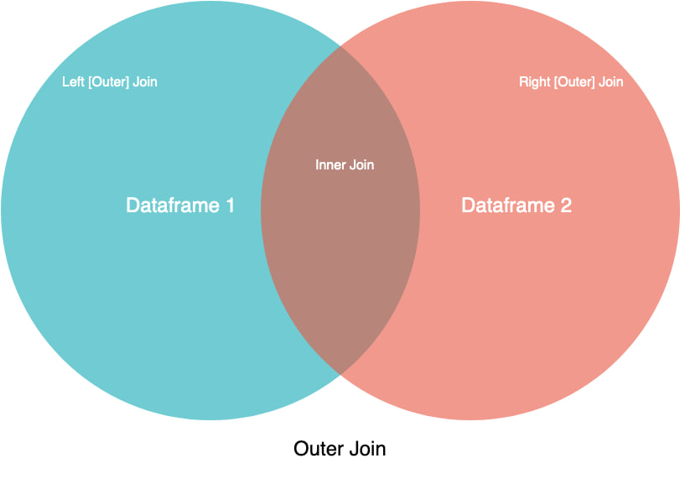
2023-02-03 | 2 | 2 | 2 | 26

2023-02-02 | 1 | 2 | 2 | 26 | 1 | futbol top | 5 | 7 | Sport
2023-02-02 | 1 | 2 | 2 | 26 | 2 | Tarelka | 10 | 13 | Kuhnya
2023-02-02 | 1 | 2 | 2 | 26 | 3 | Dell computer | 300 | 350 | Tehnologiya
2023-02-02 | 1 | 1 | 3 | 21 | 1 | futbol top | 5 | 7 | Sport
2023-02-02 | 1 | 1 | 3 | 21 | 2 | Tarelka | 10 | 13 | Kuhnya
2023-02-02 | 1 | 1 | 3 | 21 | 3 | Dell computer | 300 | 350 | Tehnologiya

